Excel Interface
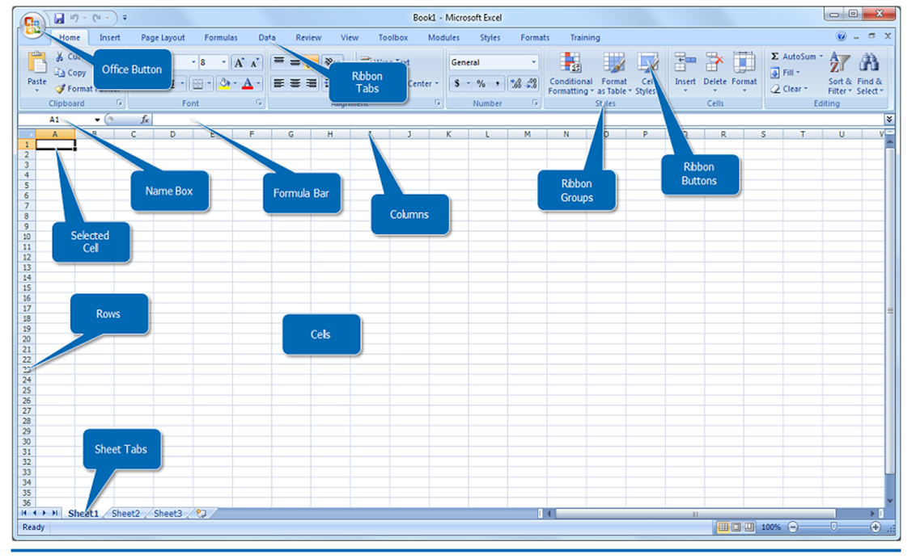

Report Dashboard
SALES PERFOMANCE REPORT DASHBOARD
£1,351,093.15
Total Revenue
£909.00
No of Transac

Revenue by sales person
 | Total
Vaughn, Harlon | £180,438.60
Owen, Robert | £142,931.70
Christensen, Jill | £131,443.10
Maynard, Susan | £125,867.75
Norman, Rita | £111,169.10
Leon, Emily | £106,776.40
Arnold, Cole | £102,721.60
Kelly, Icelita | £101,201.05
Byrd, Asa | £98,835.75
Livingston, Lynette | £88,529.80
Lucas, John | £87,178.20
Mccullough, Scott | £74,000.10
Revenue by customer
 | Total
KFC | £425,078.20
Shoprite | £244,470.65
Mr Biggs | £230,278.85
Spars | £227,575.65
A & S Stores | £223,689.80

Revenue by Product
 | Total
Drinking Water | £306,644.25
Fruit Juice | £283,667.05
Nutri-Milk | £272,347.40
Milk Tea | £251,397.60
Water Dispenser | £237,036.85

Monthly revenue
 | Total
Jan | £134,315.25
Feb | £108,972.75
Mar | £90,557.20
Apr | £103,397.40
May | £119,109.75
Jun | £103,397.40
Jul | £112,689.65
Aug | £103,397.40
Sep | £118,265.00
Oct | £85,488.70
Nov | £129,077.80
Dec | £142,424.85

